Q1 JAN
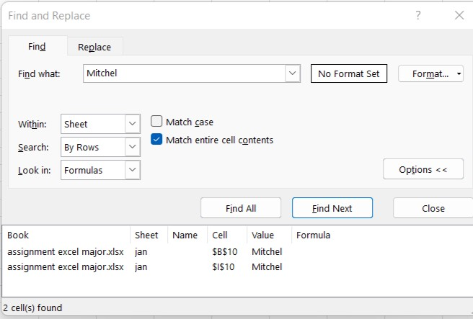
Product | Sales | Gross Sales | COGS | Profit | Region | Product | Sales
PDC-1 | Ramela | 268,953 | 252,010 | 16,943 | South | PDC-1 | Ramela
PDC-2 | Sowmya | 201,798 | 210,604 | (8,806) | South | PDC-2 | Sowmya
PDC-3 | Peter | 236,755 | 163,759 | 72,996 | South | PDC-3 | Peter
PDC-4 | Pramila | 308,433 | 241,515 | 66,918 | South | PDC-4 | Pramila
PDC-5 | Johnson | 161,280 | 300,583 | (139,303) | South | PDC-5 | Johnson
PDC-6 | Daniel Mitchel | 278,407 | 231,156 | 47,251 | South | PDC-6 | Daniel john
PDC-7 | John | 349,338 | 163,012 | 186,326 | South | PDC-7 | John
PDC-8 | Peter | 257,572 | 200,217 | 57,355 | South | PDC-8 | Peter
PDC-9 | Mitchel | 206,135 | 325,556 | (119,421) | South | PDC-9 | Mitchel
PDC-10 | Michael | 180,399 | 257,810 | (77,411) | South | PDC-10 | Michael

 |  |  |  |  |  |  |  |  | Steps:-
 |  |  |  |  |  |  |  | 1 | Press the key "Ctrl+f"
 |  |  |  |  |  |  |  | 2 | Type the word in "find what" | "Mitchel"
 |  |  |  |  |  |  |  | 3 | Click "find Next" button
 |  |  |  |  |  |  |  | 4 | Click"find all" button

 |  |  |  |  |  |  |  |  | Excel displays the number of cell containig the search value

Q1 FEB
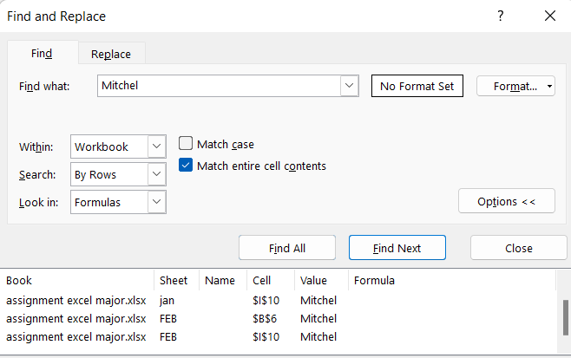
Product | Sales | Gross Sales | COGS | Profit | Region | Product | Sales
PDC-6 | Daniel Mitchel | 263,550 | 326,596 | (63,406) | East | PDC-7 | John
PDC-7 | John | 167,966 | 261,214 | (93,248) | East | PDC-3 | Peter
PDC-5 | Johnson | 199,337 | 347,458 | (148,421) | East | PDC-5 | Johnson
PDC-10 | Michael | 276,693 | 284,057 | (7,364) | East | PDC-2 | Sowmya
PDC-9 | Mitchel | 333,030 | 253,225 | 79,805 | East | PDC-8 | Peter
PDC-3 | Peter | 229,782 | 297,917 | (68,135) | East | PDC-4 | Pramila
PDC-8 | Peter | 229,063 | 291,616 | (62,553) | East | PDC-10 | Michael
PDC-4 | Pramila | 214,985 | 315,105 | (100,120) | East | PDC-1 | Ramela
PDC-1 | Ramela | 183,039 | 167,327 | 15,712 | East | PDC-9 | Mitchel
PDC-2 | Sowmya | 325,282 | 308,418 | 16,864 | East | PDC-6 | Daniel Mitchel

Q8 BAR CHART
 | Revenue
2010 | 50856
2011 | 33533
2012 | 36928
2013 | 40742
2014 | 62728
2015 | 34901
Year | Revenue
2010 | 50856
2011 | 33533
2012 | 36928
2013 | 40742
2014 | 62728
2015 | 34901

